Pricing Updates
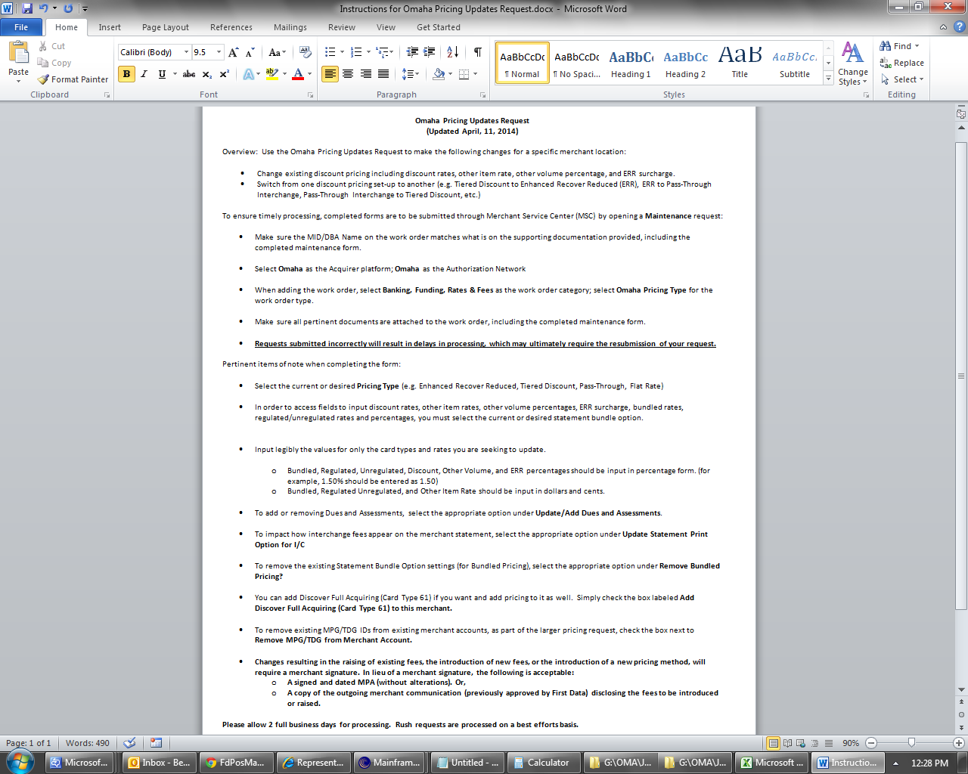
 |  |  |  |  | MSC Work Order Category: Banking, Funding & Rate/Fees
 |  |  |  |  | MSC Work Order Type: Omaha Pricing Type
 |  | Omaha - Pricing Updates Request |  |  |  |  | April 2017

Date:
ISO Name:
ISO Contact Name:
ISO Phone Number:
ISO Email Address:
Omaha Merchant Number:
Merchant DBA:

*Select Your Pricing Type:

*Statement Bundled Option:
 |  |  |  | Bundled | Regulated | Non-Regulated
 |  |  | Rate
 |  |  | Percent

Update/Add Dues & Assessments Settings: | Please Select an option |  |  | Update Statement Print Option for I/C: |  | Please Select an option

Add Discover Full Acquiring (Card Type 61) to this Merchant
Remove MPG/TDG from merchant account

Remove Statement Bundled Option from the Account
 |  |  |  | Please note, we do not remove TDG or MPGs on account when updating pricing structure unless indicated.

*Interchange Fee Flag:

 |  |  |  |  |  | Please Select an option
 |  |  |  |  |  | Please Select an option
 |  |  |  |  |  | Please Select an option

Merchant Signature *Required if increasing or adding rates |  |  |  |  | Date

September 2014

